FINAL Bill of materials
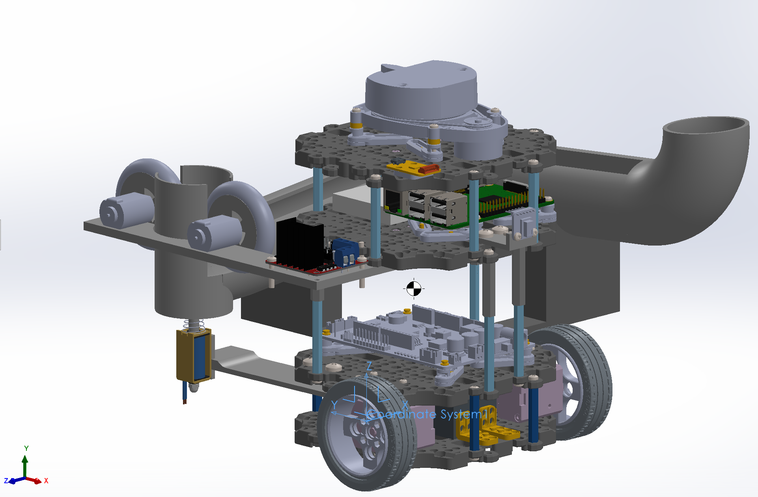
S/No. | Part | Qty | Weight (kg)/unit | Total Weight (kg) | Remarks | Remarks

1 | Turtlebot Wheel | 2 | 0.027 | 0.054 | Includes rim + tyre | Wheel
2 | DYNAMIXEL | 2 | 0.0565 | 0.113
3 | LiPO Battery | 1 | 0.139 | 0.139 |  | Battery
4 | Waffle plate | 8 | 0.03975 | 0.318 |  | Chasis parts
5 | Plate support M3x35mm | 4 | 0.00625 | 0.025
6 | Plate support M3x45mm | 10 | 0.00643 | 0.0643
7 | Plate support M3x30mm | 4 | 0.00625 | 0.025 | Additional
8 | PCB Support | 12 | 0.002 | 0.024
9 | Ball caster | 1 | 0.005 | 0.005
10 | OpenCR | 1 | 0.064 | 0.064 |  | Boards
11 | RPi | 1 | 0.047 | 0.047
12 | USB2LDS | 1 | 0.00126 | 0.00126
13 | Breadboard | 1 | 0.0135 | 0.0135
14 | L298N | 1 | 0.03 | 0.03 | Motor Driver
15 | LiDAR | 1 | 0.127 | 0.127 |  | Sensors
16 | AMG8833 | 1 | 0.00092 | 0.00092 | IR sensor
17 | JF-0530B | 1 | 0.187 | 0.187 | Solenoid actuator | Launching Mechanism
18 | Flywheel Rim | 2 | 0.01072 | 0.02144 | Flywheel
19 | Flywheel Tyre | 2 | 0.01492 | 0.02984
20 | FC-130A-13220 | 2 | 0.02 | 0.02 | DC Motor
21 | Support piece 1 | 1 | 0.00287 | 0.00287 | for IR sensor | 3D printed parts
22 | Support piece 2 | 1 | 0.06344 | 0.06344 | back piece
23 | Support piece 3 | 1 | 0.09518 | 0.09518 | side piece
24 | Support piece 4 | 1 | 0.04178 | 0.04178 | motors + motor driver
25 | Mounting Plate | 1 | 0.01376 | 0.01376 | for solenoid actuator
26 | Tube | 1 | 0.19588 | 0.19588 | Launching mechanism
27 | PH_M2x4mm_K | 8 | 0.000196 | 0.001568 |  | Fasteners (Turtlebot)
28 | PH_M2.5x8mm_K | 16 | 0.000486 | 0.007776
29 | PH_M2.5x16mm_K | 4 | 0.000726 | 0.002904
30 | PH_M3x8mm_K | 44 | 0.00072 | 0.03168
31 | PH_T2x6mm_K | 4 | 0.000233 | 0.000932
32 | PH_T2.6x12mm_K | 16 | 0.000429 | 0.0068571428571
33 | Rivet_1 | 14 |  | 0.001
34 | Rivet_2 | 2
35 | NUT_M2.5 | 20 | 0.00028 | 0.0056
36 | NUT_M3 | 16 | 0.000384 | 0.006144
37 | Spacer | 8 | 0.000125 | 0.001
38 | Pan Head M4x16mm | 12 | 0.00225 | 0.027 |  | Fasteners (Additional)
39 | Pan Head M3x10mm | 2 | 0.000876 | 0.001752
40 | Pan Head M2x12mm | 2 | 0.000344 | 0.000688
41 | M4 hex nut | 10 | 0.000142 | 0.00142
42 | M2 hex nut | 2 | 0.000142 | 0.000284
43 | Bracket | 5 | 0.00071 | 0.00355 |  | Misc
44 | Adapter Plate | 1 | 0.00051 | 0.00051

